ColorColor
0.15040391206 | -0.24378715535
0.025161433124 | 0.07771762545
0.27335165085 | 0.034146449612
0.12866703068 | 0.1292648934
-0.34810888976 | 0.12313335434
-0.16591351746 | 0.24373127734
0.24850508713 | 0.11049719874
0.12972318324 | -0.17834965998
0.20585703546 | -0.16338683255
0.42999054703 | -0.23651612655
0.15628786791 | 0.088776154737
0.23599908614 | 0.09875001973
0.17401370525 | 0.055376640106
16.02 | 25.02
14.25 | 23.25
13.34 | 22.34
11.49 | 4.85
8.74 | 17.74
15.19 | 24.19
12.12 | 21.12
13.08 | 22.08
16.63 | 25.63
14.77 | 23.77
13.07 | 22.07
12.79 | 21.79
14.18 | 23.18

obj1
BRC34_obj01 | 213309.7+580345
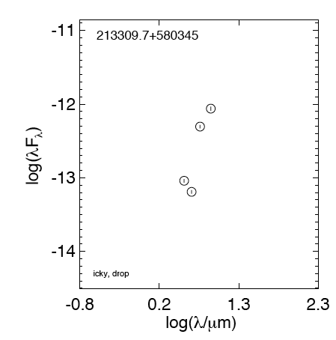

 | lmr notes … Oct | ick! Drop!

 | Oregon

 | Florida -- 25 Nov | (926, 706)
 |  | IRAC 2 ...point source, embedded in cloud? Lots of background

-0.44369749923
-0.35654732351
-0.25963731051
-0.14874165128
-0.12493873661
0.096910013008
0.21748394421
0.33645973385
0.55630250077 | -13.040067763
0.65321251378 | -13.190471675
0.76342799356 | -12.304381383
0.90308998699 | -12.060594228
1.3802112417
1.84509804
 | Illinois … 28 Nov

 | Breck .. 21 Nov | Yuck!

 | LMR … 13 Dec | i think we have tagged as drop. i'm ok with this based on where it is in the image - it's way on the edge, away from the others.

obj2
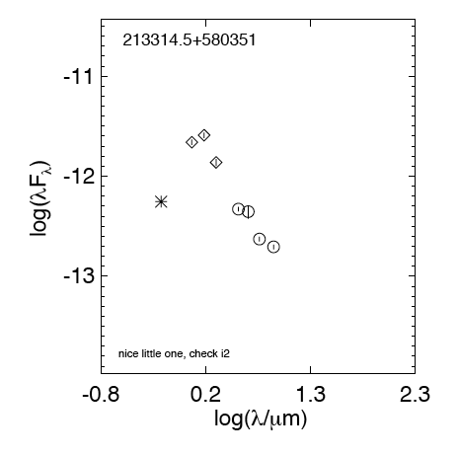
BRC34_obj02 | 213314.5+580351

 | lmr notes … Oct | nice little one, check i2

 | Oregon … 28 Nov | Lots of nebulosity in i4, no mips

 | Florida -- 25 Nov | IRAC 1 … perfect match to previous coordinates; nice point source
 |  | IRAC 2 … nice point source
 |  | IRAC 3 point source, but background level comes halfway up the aperture slice (semi-embedded?); Highest pixel @ (969,657); Snaps to 21 33 14.7 +58 03 57.4 (964, 648) a bright source, but a different (distant) object
 |  | IRAC 4 snaps to a wildly different object. Read photometry by mapping individual pixels

 | Illinois -- 28 Nov | class II
-0.44369749923 |  | 0.33645973385 | -11.862514959
-0.35654732351 |  | 0.55630250077 | -12.329127793
-0.25963731051 |  | 0.65321251378 | -12.354289226
-0.14874165128 | -12.016148523 | 0.76342799356 | -12.628309724
-0.12493873661 |  | 0.90308998699 | -12.70602735
0.096910013008 | -11.66038037 | 1.3802112417
0.21748394421 | -11.589906885 | 1.84509804
0.33645973385 | -11.862514959
0.55630250077 | -12.329127793
0.65321251378 | -12.354289226
0.76342799356 | -12.628309724
0.90308998699 | -12.70602735
1.3802112417
1.84509804

 | Breck .. 21 Nov | IRAC 4 = high nebulosity, no MIPS, II

obj3
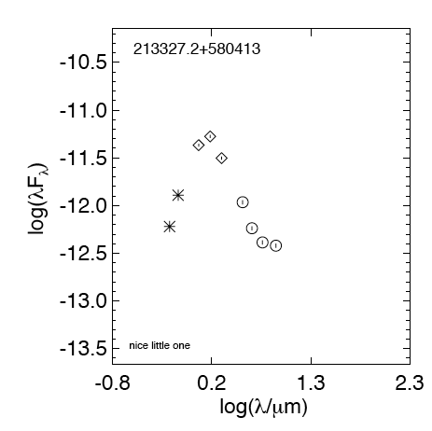
BRC34_obj03 | 213327.2+580413

 | lmr notes … Oct | nice little one

 | Oregon … 28 Nov | no mips

 | Florida -- 25 Nov

 | Illinois .. 28 Nov | class Iii
-0.44369749923 |  | 0.33645973385 | -11.502848655
-0.35654732351 |  | 0.55630250077 | -11.964870898
-0.25963731051 |  | 0.65321251378 | -12.238222548
-0.14874165128 | -11.981877553 | 0.76342799356 | -12.386513473
-0.12493873661 | -11.883825724 | 0.90308998699 | -12.420659923
0.096910013008 | -11.366509105 | 1.3802112417
0.21748394421 | -11.275578038 | 1.84509804
0.33645973385 | -11.502848655
0.55630250077 | -11.964870898
0.65321251378 | -12.238222548
0.76342799356 | -12.386513473
0.90308998699 | -12.420659923
1.3802112417
1.84509804

 | Breck .. 21 Nov | no MIPS, III

obj4
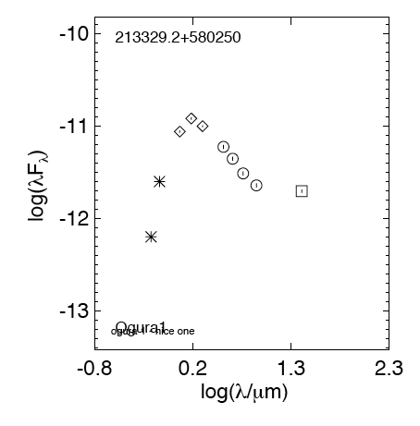
BRC34_obj04 | 213329.2+580250

 | lmr notes … Oct | OGURA 1; nice one!

 | Oregon … 28 Nov | Nebulosity in mips, but there is a source there, 3,8-13 shows excess, 3,3-5 not so much

 | Florida -- 25 Nov | 1187, 614)
 |  | IRAC 3 originally reported this data wrong. The data was 5.416E+03, we reported it as E+01

 | Illinois … 28 Nov | class II
-0.44369749923 |  | 0.33645973385 | -11.004483538 | -0.44369749923 |  | 0.33645973385 | -11.004483538 | -0.44369749923 |  | 0.33645973385 | -11.004483538 | -0.44369749923 |  | 0.33645973385 | -11.004483538
-0.35654732351 |  | 0.55630250077 | -11.2279178 | -0.35654732351 |  | 0.55630250077 | -11.2279178 | -0.35654732351 |  | 0.55630250077 | -11.2279178 | -0.35654732351 |  | 0.55630250077 | -11.2279178
-0.25963731051 |  | 0.65321251378 | -11.35658483 | -0.25963731051 |  | 0.65321251378 | -11.35658483 | -0.25963731051 |  | 0.65321251378 | -11.35658483 | -0.25963731051 |  | 0.65321251378 | -11.35658483
-0.14874165128 | -11.963206294 | 0.76342799356 | -11.515608169 | -0.14874165128 | -11.963206294 | 0.76342799356 | -11.515608169 | -0.14874165128 | -11.963206294 | 0.76342799356 | -11.515608169 | -0.14874165128 | -11.963206294 | 0.76342799356 | -11.515608169
-0.12493873661 | -11.594988433 | 0.90308998699 | -11.644873063 | -0.12493873661 | -11.594988433 | 0.90308998699 | -11.644873063 | -0.12493873661 | -11.594988433 | 0.90308998699 | -11.644873063 | -0.12493873661 | -11.594988433 | 0.90308998699 | -11.644873063
0.096910013008 | -11.063184125 | 1.3802112417 | -11.707214438 | 0.096910013008 | -11.063184125 | 1.3802112417 | -11.707214438 | 0.096910013008 | -11.063184125 | 1.3802112417 | -11.707214438 | 0.096910013008 | -11.063184125 | 1.3802112417 | -11.707214438
0.21748394421 | -10.920790503 | 1.84509804 |  | 0.21748394421 | -10.920790503 | 1.84509804 |  | 0.21748394421 | -10.920790503 | 1.84509804 |  | 0.21748394421 | -10.920790503 | 1.84509804
0.33645973385 | -11.004483538 |  |  | 0.33645973385 | -11.004483538 |  |  | 0.33645973385 | -11.004483538 |  |  | 0.33645973385 | -11.004483538
0.55630250077 | -11.2279178 |  |  | 0.55630250077 | -11.2279178 |  |  | 0.55630250077 | -11.2279178 |  |  | 0.55630250077 | -11.2279178
0.65321251378 | -11.35658483 |  |  | 0.65321251378 | -11.35658483 |  |  | 0.65321251378 | -11.35658483 |  |  | 0.65321251378 | -11.35658483
0.76342799356 | -11.515608169 |  |  | 0.76342799356 | -11.515608169 |  |  | 0.76342799356 | -11.515608169 |  |  | 0.76342799356 | -11.515608169
0.90308998699 | -11.644873063 |  |  | 0.90308998699 | -11.644873063 |  |  | 0.90308998699 | -11.644873063 |  |  | 0.90308998699 | -11.644873063
1.3802112417 | -11.707214438 |  |  | 1.3802112417 | -11.707214438 |  |  | 1.3802112417 | -11.707214438 |  |  | 1.3802112417 | -11.707214438
1.84509804 |  |  |  | 1.84509804 |  |  |  | 1.84509804 |  |  |  | 1.84509804

 | Breck .. 21 Nov | II
-0.44369749923 |  | 0.33645973385 | -11.004483538 | -0.44369749923 |  | 0.33645973385 | -11.004483538 | -0.44369749923 |  | 0.33645973385 | -11.004483538 | -0.44369749923 |  | 0.33645973385 | -11.004483538
-0.35654732351 |  | 0.55630250077 | -11.2279178 | -0.35654732351 |  | 0.55630250077 | -11.2279178 | -0.35654732351 |  | 0.55630250077 | -11.2279178 | -0.35654732351 |  | 0.55630250077 | -11.2279178
-0.25963731051 |  | 0.65321251378 | -11.35658483 | -0.25963731051 |  | 0.65321251378 | -11.35658483 | -0.25963731051 |  | 0.65321251378 | -11.35658483 | -0.25963731051 |  | 0.65321251378 | -11.35658483
-0.14874165128 | -11.963206294 | 0.76342799356 | -11.515608169 | -0.14874165128 | -11.963206294 | 0.76342799356 | -11.515608169 | -0.14874165128 | -11.963206294 | 0.76342799356 | -11.515608169 | -0.14874165128 | -11.963206294 | 0.76342799356 | -11.515608169
-0.12493873661 | -11.594988433 | 0.90308998699 | -11.644873063 | -0.12493873661 | -11.594988433 | 0.90308998699 | -11.644873063 | -0.12493873661 | -11.594988433 | 0.90308998699 | -11.644873063 | -0.12493873661 | -11.594988433 | 0.90308998699 | -11.644873063
0.096910013008 | -11.063184125 | 1.3802112417 | -11.707214438 | 0.096910013008 | -11.063184125 | 1.3802112417 | -11.707214438 | 0.096910013008 | -11.063184125 | 1.3802112417 | -11.707214438 | 0.096910013008 | -11.063184125 | 1.3802112417 | -11.707214438
0.21748394421 | -10.920790503 | 1.84509804 |  | 0.21748394421 | -10.920790503 | 1.84509804 |  | 0.21748394421 | -10.920790503 | 1.84509804 |  | 0.21748394421 | -10.920790503 | 1.84509804
0.33645973385 | -11.004483538 |  |  | 0.33645973385 | -11.004483538 |  |  | 0.33645973385 | -11.004483538 |  |  | 0.33645973385 | -11.004483538
0.55630250077 | -11.2279178 |  |  | 0.55630250077 | -11.2279178 |  |  | 0.55630250077 | -11.2279178 |  |  | 0.55630250077 | -11.2279178
0.65321251378 | -11.35658483 |  |  | 0.65321251378 | -11.35658483 |  |  | 0.65321251378 | -11.35658483 |  |  | 0.65321251378 | -11.35658483
0.76342799356 | -11.515608169 |  |  | 0.76342799356 | -11.515608169 |  |  | 0.76342799356 | -11.515608169 |  |  | 0.76342799356 | -11.515608169
0.90308998699 | -11.644873063 |  |  | 0.90308998699 | -11.644873063 |  |  | 0.90308998699 | -11.644873063 |  |  | 0.90308998699 | -11.644873063
1.3802112417 | -11.707214438 |  |  | 1.3802112417 | -11.707214438 |  |  | 1.3802112417 | -11.707214438 |  |  | 1.3802112417 | -11.707214438
1.84509804 |  |  |  | 1.84509804 |  |  |  | 1.84509804 |  |  |  | 1.84509804

 |  |  | -0.6793

obj5
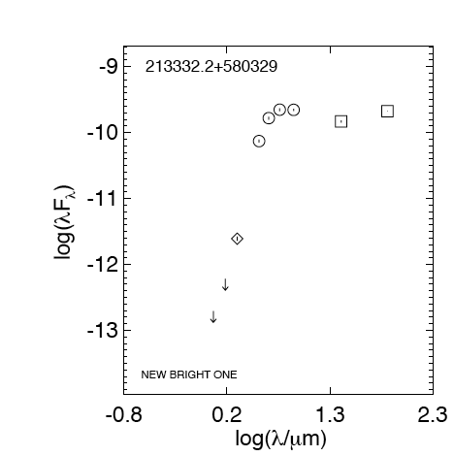
BRC34_obj05 | 213332.2+580329

 | telecon | NEW BRIGHT ONE!!!

 | Oregon

 | Florida -- 25 Nov | (1173, 538)
 |  | IRAC 2 monstrously bright source
 |  | IRAC 3 wide and bright, but aperture slice is flat on the top (saturated? If so, then why isn’t it off scale?)
 |  | IRAC 4 pt source

 | Illinois .. 28 Nov | class I
-0.44369749923 |  | 0.33645973385 | -11.608000894
-0.35654732351 |  | 0.55630250077 | -10.128824999
-0.25963731051 |  | 0.65321251378 | -9.7807161096
-0.14874165128 |  | 0.76342799356 | -9.6526342189
-0.12493873661 |  | 0.90308998699 | -9.6552701629
0.096910013008 | -12.705217577 | 1.3802112417 | -9.8311407252
0.21748394421 | -12.217958333 | 1.84509804 | -9.6749022701
0.33645973385 | -11.608000894
0.55630250077 | -10.128824999
0.65321251378 | -9.7807161096
0.76342799356 | -9.6526342189
0.90308998699 | -9.6552701629
1.3802112417 | -9.8311407252
1.84509804 | -9.6749022701

 | Breck .. 21 Nov | woot woot! Love it!, I

 | LMR … 13 Dec | someone asked about saturation in this obj , which is the 5th one on the xls list. yes, it is probably saturated in the long integration. but remember that at each position, you have both a long and a short integration time. the short integration mosaic is called somehing like brc34_i3_shortmosaic.fits, as opposed to brc34_i3_mosaic.fits.

obj6
BRC34_obj06 | 213334.0+580418
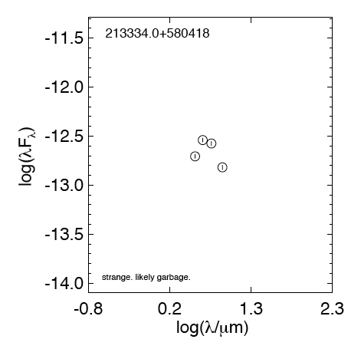
 | lmr notes … Oct | strange. check in images, track down why no 2mass, very likely garbage

 | Oregon … 28 Nov | Lots of nebulosity i4 likely not valid MIPS at 213335.0+580409.3

 | Florida -- 25 Nov | (1142, 459)
 |  | IRAC 4 pt source

-0.44369749923
-0.35654732351
-0.25963731051
-0.14874165128
-0.12493873661
0.096910013008
0.21748394421
0.33645973385
0.55630250077 | -12.70601816
0.65321251378 | -12.540104643
0.76342799356 | -12.574547232
0.90308998699 | -12.81827851
1.3802112417
1.84509804
 | Illinois … 28 Nov

 | Breck .. 21 Nov | IRAC 4 = high nebulosity, real??

 | LMR … 13 Dec | wow, i would still tag this as very marginal. it's really not there in the POSS and 2MASS images, which is kind of unusual for a legitimate young star, but not unheard of. Looking at the IRAC images, i agree its placement in the nebulosity is suggestive, but damn; it falls off like a rock after i2. i am not at all sure what's going on with this source, and it's going to be darn hard to get follow-up data on him because he is quite faint in the optical and NIR, really at all bands here. If I had to bet money, i'd bet on contaminant.

 |  | in the middle of the neb, but damn faint. ok with me to drop.

obj7
BRC34_obj07 | 213335.3+580647
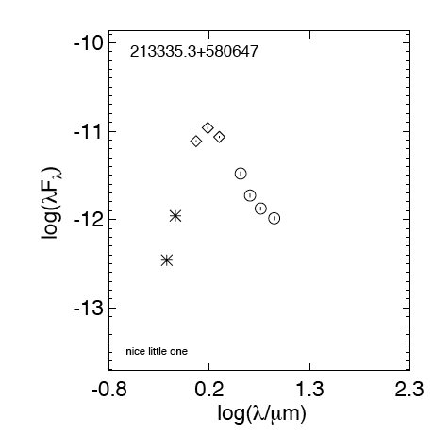
 | lmr notes … Oct | nice little one

 | Oregon … 28 Nov | no mips

 | Florida -- 25 Nov

 | Illinois … 28 Nov | class III
-0.44369749923 |  | 0.33645973385 | -11.064941988
-0.35654732351 |  | 0.55630250077 | -11.479489704
-0.25963731051 |  | 0.65321251378 | -11.727994791
-0.14874165128 | -12.221847897 | 0.76342799356 | -11.875492956
-0.12493873661 | -11.949379799 | 0.90308998699 | -11.985990155
0.096910013008 | -11.112368417 | 1.3802112417
0.21748394421 | -10.962367334 | 1.84509804
0.33645973385 | -11.064941988
0.55630250077 | -11.479489704
0.65321251378 | -11.727994791
0.76342799356 | -11.875492956
0.90308998699 | -11.985990155
1.3802112417
1.84509804

 | Breck .. 21 Nov | no MIPS, class II/III ??

 | LMR … 13 Dec | someone said 'no mips' but there is mips data here, just not a detection (that's an important distinction -- no data vs. no detection). dropped an aperture to get an upper limit here.

obj8
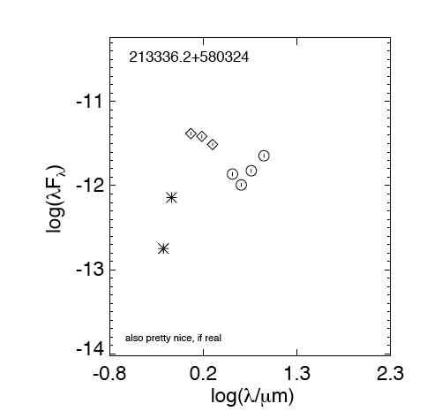
BRC34_obj08 | 213336.2+580324

 | lmr notes … Oct | also pretty nice, if real - check i3i4 phot, check location in m24. limits would be good to add to the SED here at m24.

 | Oregon .. 28 Nov | no mips. Lots of nebulosity with i4. Bad aperture slice esp. x axis

 | Florida -- 25 Nov | (1219, 512)
 |  | IRAC 3 semi-nice point source
 |  | IRAC 4 seems to be along a bright ribbon, snaps to a different object 21h33m11.6s +58d 05m 33.4s

 | Illinois … 28 Nov | FLAT
-0.44369749923 |  | 0.33645973385 | -11.509779033
-0.35654732351 |  | 0.55630250077 | -11.862261226
-0.25963731051 |  | 0.65321251378 | -11.991984409
-0.14874165128 | -12.511045467 | 0.76342799356 | -11.822863653
-0.12493873661 | -12.133422821 | 0.90308998699 | -11.644513993
0.096910013008 | -11.380039622 | 1.3802112417
0.21748394421 | -11.413508813 | 1.84509804
0.33645973385 | -11.509779033
0.55630250077 | -11.862261226
0.65321251378 | -11.991984409
0.76342799356 | -11.822863653
0.90308998699 | -11.644513993
1.3802112417
1.84509804

 | Breck .. 21 Nov | need MIPS? IRAC 4 - high nebulosity, flat?

 | LMR … 13 Dec | same for this one. getting a MIPS limit. Also, he has a friend nearby of comparable brightness -- what does his SED look like? he is 213336.8+580329, it does look like a nice SED, and for some reason, the gutermuth yso calculation failed for him. i don't know why. ah, wait, yes I do. it failed the second equation group because i2 lt 11.5 (it is 12.4). However, the original guy is also this faint. hm. Ah, ok, he fails one of the Class 0/1/flat tests. He is faint, but comparable in brightness to the friend who did get tagged. I'm going to ***add him to our list of candidates*** just based on proximity and similarity to the other one.

obj9
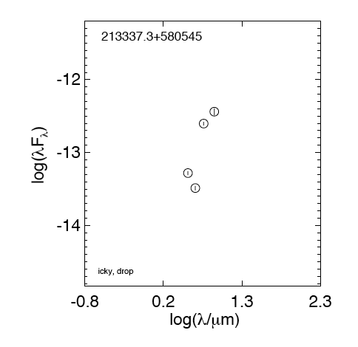
BRC34_obj09 | 213337.3+580545

 | lmr notes … Oct | icky, drop!

 | Oregon

 | Florida -- 25 Nov | (1083, 321)
 |  | IRAC 1 … Shifts slightly to 1082, 319 snaps to 213337.3+580546.3; Looks like there’s a lot of stuff around it (high sky median), but still a little point source (aperture slice)at snapped location
 |  | IRAC 4 ok

-0.44369749923
-0.35654732351
-0.25963731051
-0.14874165128
-0.12493873661
0.096910013008
0.21748394421
0.33645973385
0.55630250077 | -13.281314822
0.65321251378 | -13.487171858
0.76342799356 | -12.602750169
0.90308998699 | -12.439363337
1.3802112417
1.84509804
 | Illinois … 28 Nov

 | Breck .. 21 Nov | yuck!

 | lmr … 13 Dec | both on a ridge of nebulosity; suspicious. BUT I don't really see point sources here. I think these are indeed spurious, droppable sources.

obj10
BRC34_obj10 | 213338.6+580627
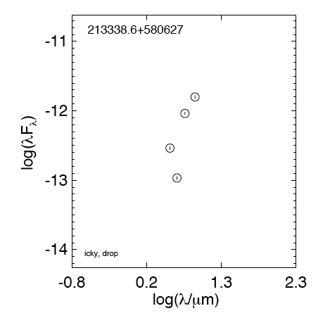
 | lmr notes … Oct | icky, drop!

 | Oregon

 | Florida -- 25 Nov | (1052, 255)
 |  | IRAC 1 … Point source

-0.44369749923
-0.35654732351
-0.25963731051
-0.14874165128
-0.12493873661
0.096910013008
0.21748394421
0.33645973385
0.55630250077 | -12.537154499
0.65321251378 | -12.967145046
0.76342799356 | -12.037164413
0.90308998699 | -11.800648287
1.3802112417
1.84509804
 | Illinois … 28 Nov

 | Breck .. 21 Nov | yuck!

 | lmr … 13 Dec | both on a ridge of nebulosity; suspicious. BUT I don't really see point sources here. I think these are indeed spurious, droppable sources.

obj11
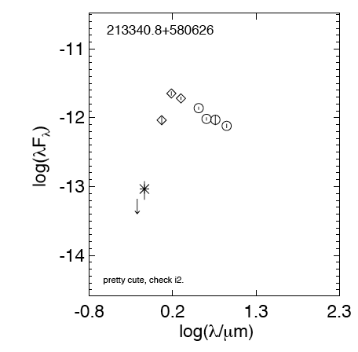
BRC34_obj11 | 213340.8+580626

 | lmr notes … Oct | pretty cute, check i2. check all IRAC bands?

 | Oregon … 28 Nov | no mips. Would not snap due to 2nd YSO next to it.

 | Florida -- 25 Nov | (1076, 238)
 |  | IRAC1…Object at 213340.8+580626.3 (1076,238); Src: +1.998E+03 unc +7.462E+01 (great point source!) entering THIS data for this candidate; Screen saved at brightest pixel (see above); Snaps to the location of the next candidate! (213340.8+580631.0)

 | Illinois … 28 Nov | class II
-0.44369749923 |  | 0.33645973385 | -11.717249649
-0.35654732351 |  | 0.55630250077 | -11.859635496
-0.25963731051 |  | 0.65321251378 | -12.015923364
-0.14874165128 | -13.021435651 | 0.76342799356 | -12.0289288
-0.12493873661 | -13.026618717 | 0.90308998699 | -12.117704955
0.096910013008 | -12.034403116 | 1.3802112417
0.21748394421 | -11.645842945 | 1.84509804
0.33645973385 | -11.717249649
0.55630250077 | -11.859635496
0.65321251378 | -12.015923364
0.76342799356 | -12.0289288
0.90308998699 | -12.117704955
1.3802112417
1.84509804

 | Breck .. 21 Nov | no MIPS, can't snap (nearby YSO?), class II

obj12
BRC34_obj12 | 213340.8+580631
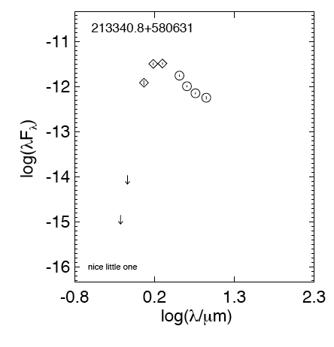
 | lmr notes … Oct | nice little one

 | Oregon … 28 Nov | no mips. Trouble snapping due to 2nd YSO nearby - i4 had lots of nebulosity

 | Florida -- 25 Nov | (1072, 231)
 |  | IRAC 4 point source in a ribbon of nebulosity; Best ap slice and highest measurements ;This one snaps to a different time zone;(not on our list at all) 213341.5 +580637.5

 | Illinois … 28 Nov | class II
-0.44369749923 |  | 0.33645973385 | -11.480152301
-0.35654732351 |  | 0.55630250077 | -11.748662415
-0.25963731051 |  | 0.65321251378 | -11.984661502
-0.14874165128 | -14.614694362 | 0.76342799356 | -12.141410969
-0.12493873661 | -13.95701697 | 0.90308998699 | -12.240160988
0.096910013008 | -11.906430878 | 1.3802112417
0.21748394421 | -11.488052985 | 1.84509804
0.33645973385 | -11.480152301
0.55630250077 | -11.748662415
0.65321251378 | -11.984661502
0.76342799356 | -12.141410969
0.90308998699 | -12.240160988
1.3802112417
1.84509804

 | Breck … 21 Nov | no MIPS, trouble snapping (nearby YSO?), IRAC4 = high nebulosity, class II

obj13
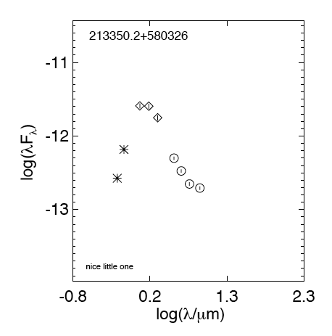
BRC34_obj13 | 213350.2+580326

 | lmr notes … Oct | nice little one, though check i4

 | Oregon … 28 Nov | no mips. i1 on image edge, i3 faint & seemed to have a lot of noise around it & i4 faint with lots of nebulosity.

 | Florida -- 25 Nov | (1362, 392)
 |  | IRAC 4 … point source

 | Illinois … 28 Nov | class III
-0.44369749923 |  | 0.33645973385 | -11.75175109
-0.35654732351 |  | 0.55630250077 | -12.300896554
-0.25963731051 |  | 0.65321251378 | -12.474910259
-0.14874165128 | -12.335423716 | 0.76342799356 | -12.651727234
-0.12493873661 | -12.174225833 | 0.90308998699 | -12.707103874
0.096910013008 | -11.589894609 | 1.3802112417
0.21748394421 | -11.593605654 | 1.84509804
0.33645973385 | -11.75175109
0.55630250077 | -12.300896554
0.65321251378 | -12.474910259
0.76342799356 | -12.651727234
0.90308998699 | -12.707103874
1.3802112417
1.84509804

 | Breck … 21 Nov | no MIPS, nice slope, class III

